Sheet1
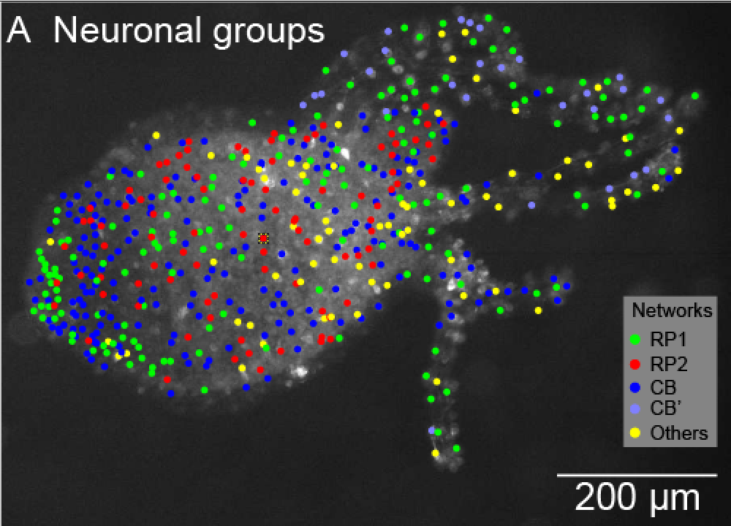
Hydra cell distance from the marked cell
RP1 and CB cells | um
27.16 |  |  |  | RP1 & CB
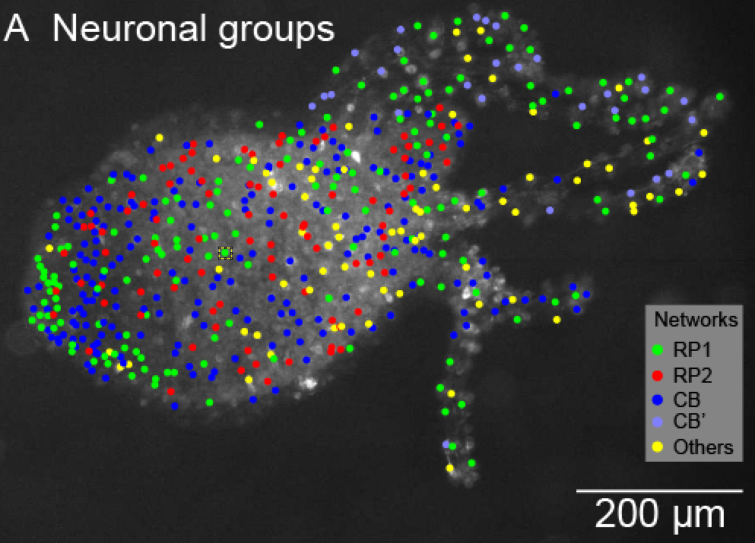
21.27
19.00
20.36
23.26 | average | 22.21
 | std | 3.17
RP2 cells | um |  | Data is analyzed only in the body colum in the center
55.42
46.28
26.21
37.15
 | mean | 41.26
 | std | 12.50

 |  |  |  | RP2

